Revenue Verification
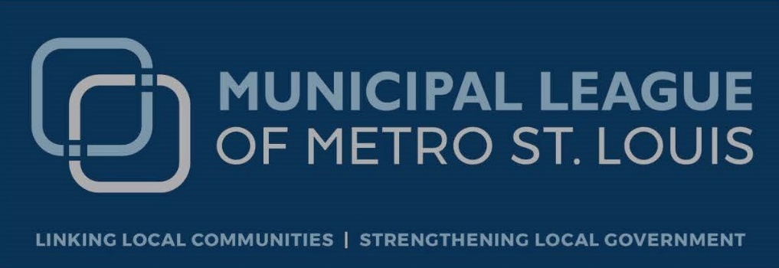

*** Countywide Sales Tax 1-Cent sales tax is the accual sales tax recived by the county for the 2024 calendar year totaled $210,729,688.01
*** All other taxes were calculated using the 1-Cent as the base
*** According to the U.S. Census Bureau internet sales account for 16.1% of U.S. retail sales
*** County receive 1/3 of the 1-Cent and Public Safety sales tax, Muni's 2/3
*** Park and River Greenway share the park taxes (Regional Park Tax 1/10 cent - GRG 50%/County 30% and Park Commision 20%) (Arch 3/16 cent - GRG 60%, County 24% and park Commission 16%)

Use Tax Verification
 |  |  |  |  | Use Tax Distribution by Taxing District
 | Sales tax |  | Internet Sales | Municipal |  | Municipal |  |  |  | Total
County Sales Tax | Rates | Sales Tax Collected | National Average 16% | Per Capita | County | Parks | GRGW / Parks | Zoo | ECC | Verification
Countywide Sales Tax | 1.0000 | $210,729,302.01 | $33,716,688.32 | $33.72 | $11,238,884.87 | $22,477,769.74 |  |  |  | $33,716,654.60
County Transportation Tax | 0.5000 | $105,364,651.01 | $16,858,344.16 |  | $16,858,344.16 | $- |  |  |  | $16,858,344.16
County Mass Transit Tax | 0.2500 | $52,682,325.50 | $8,429,172.08 |  | $8,429,172.08 |  |  |  |  | $8,429,172.08
Regional Parks & Trails | 0.1000 | $21,072,930.20 | $3,371,668.83 |  | $1,011,500.65 | $674,333.77 | $1,685,834.42 |  |  | $3,371,668.83
Children's Service | 0.2500 | $52,682,325.50 | $8,429,172.08 |  | $8,429,172.08 |  |  |  |  | $8,429,172.08
Emergency Communications | 0.1000 | $21,072,930.20 | $3,371,668.83 |  |  |  |  |  | $3,371,668.83 | $3,371,668.83
Metro | 0.5000 | $105,364,651.01 | $16,858,344.16 |  | $16,858,344.16 |  |  |  |  | $16,858,344.16
Arch, Parks & Trails | 0.1875 | $39,511,744.13 | $6,321,879.06 |  | $1,517,250.97 | $1,011,500.65 | $3,793,127.44 |  |  | $6,321,879.06
Public Safety | 0.5000 | $105,364,651.01 | $16,858,344.16 | $16.86 | $5,619,442.43 | $11,238,884.87 |  |  |  | $16,858,327.30
Zoo | 0.1250 | $26,341,162.75 | $4,214,586.04 |  |  |  |  | $4,214,586.04 |  | $4,214,586.04
Estimated Totals | 3.5125 | $740,186,673.31 | $118,429,867.73 | $50.58 | $69,962,111.41 | $35,402,489.02 | $5,478,961.85 | $4,214,586.04 | $3,371,668.83 | $118,429,817.15

Have any questions? Email us at staff@stlmuni.org or Call us (314)726-4747

